Sheet1
 | Document No. |  | Issue No. |  | Issue Date |  | Review and Replace Date |  | Authorised By
 | GFF499MC |  | 1 |  | 07.05.2025 |  | New Doc
 | Document Title |  | GC- 10 Onion Bhaji 1000g
 |  |  |  |  |  |  |  |  | Magda Shah
Document amendments reason for change | New doc |  | Page 1 of 1 |  |  | Previous Issue Date |  | New Doc | Uncontrolled copy unless signed original

COBHL-B10X4T |  | Gazebo -Morrison |  | Onion Bhaji 1000g | CHILLED
STEP 1 |  |  |  |  |  | STEP 2


Tray: HW308/60 open ECO tray- (PKESS001-12) |  |  |  |  |  | Onion Bhaji (GFF 121R)-100g (1X10 Units)-1000g
Film: K Peel RPSM 25µm (340mmX1000lm)-(PKKMP001-05)
STEP 3
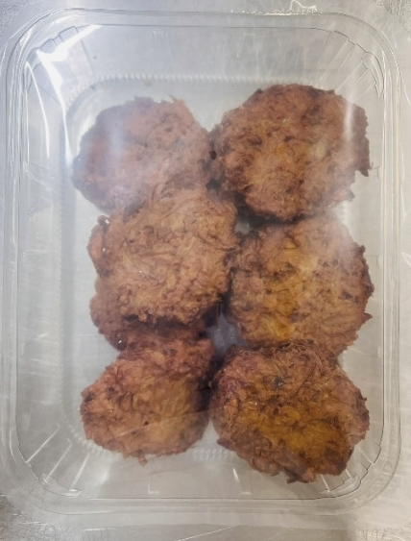

10 Onion Bhajis 1000g
TOTAL WEIGHT: 1000g
ALLERGY ALERT: None

